Sheet1
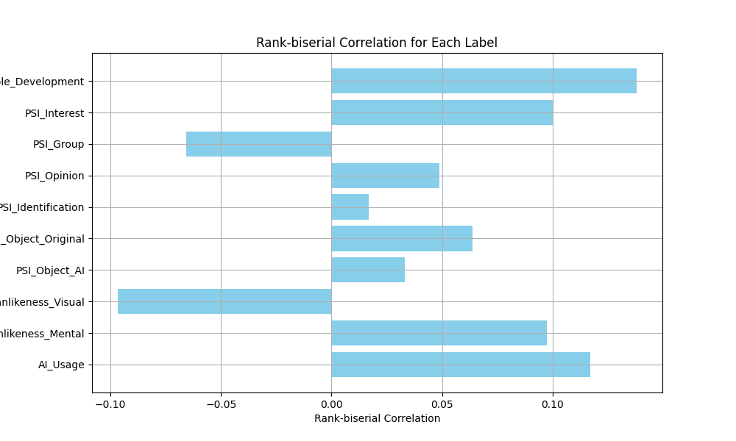
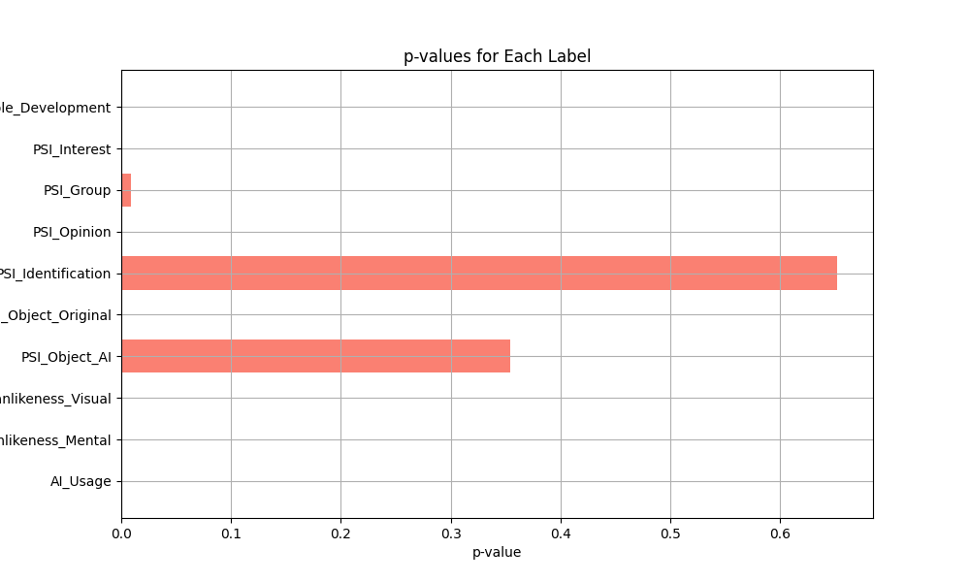
Label | Average Rank (Label=1) | Average Rank (Label=0) | Rank-biserial Correlation | p-value
AI_Usage | 6326.3282226 | 5653.5908112 | 0.11687585327 | 5.3672695777E-15
Humanlikeness_Mental | 6258.6298482 | 5698.8275228 | 0.097255442229 | 3.9293969307E-08
Humanlikeness_Visual | 5226.1628788 | 5781.9932629 | -0.096565389878 | 0.00017409460196
PSI_Object_AI | 5942.238806 | 5752.0729278 | 0.03303785236 | 0.35456714629
PSI_Object_Original | 5954.1583019 | 5587.8604314 | 0.063637573048 | 3.7623596462E-09
PSI_Identification | 5852.0207469 | 5754.4575459 | 0.016949826437 | 0.65203789472
PSI_Opinion | 5962.1849918 | 5681.8670534 | 0.048700128293 | 6.3335997739E-05
PSI_Group | 5395.9872958 | 5774.6226622 | -0.065780987898 | 0.0090659900744
PSI_Interest | 6266.9805825 | 5689.3090534 | 0.1003598904 | 2.2427466039E-09
AI_Principle_Development | 6537.3913043 | 5743.8160311 | 0.13786922746 | 0.0013133256597

